HE calc
Heat Exchanger Calculations E510
Table-A: Energy unit conversion
1 | Btu | 1055 | J |  |  | Substance |  | Cp (J/kgdegC) | Cp(Btu/lb.degF)
 |  | 1.055 | kJ |  |  | Alcohol, ethyl 32oF (ethanol) |  | 2.3 | 0.55
 |  | 0.2521 | kcal |  |  | Ammonia, 104oF |  | 4.86 | 1.16
 |  | 107.7 | Kgf.m |  |  | Castor Oil |  | 1.8 | 0.43
 |  | 778.7 | ft.lbf |  |  | Dowtherm |  | 1.55 | 0.37
1 | cal | 4.18 | J |  |  | Freon R-12 saturated 0oF |  | 0.91 | 0.217
 |  | 0.00396 | Btu |  |  | Fuel Oil max. |  | 2.09 | 0.5
 |  | 0.00000116 | kW.h |  |  | Gasoline |  | 2.22 | 0.53
1 | kcal | 3.9604 | Btu
Table-B: Power unit conversion |  |  |  |  |  | Heptane |  | 2.24 | 0.535
1 | W | 0.001 | kW |  |  | Kerosene |  | 2.01 | 0.48
 |  | 0.00134 | hp |  |  | Gold |  | 0.129 | 0.0308
 |  | 0.000102 | hp (boiler) |  |  | Light Oil, 60oF |  | 1.8 | 0.43
 |  | 0.0002387 | kcal/s |  |  | Light Oil, 300oF |  | 2.3 | 0.54
 |  | 0.102 | kgf.m/s |  |  | Mercury |  | 0.14 | 0.03
 |  | 0.7375 | ft.lbf/s |  |  | Octane |  | 2.15 | 0.51
 |  | 44.2 | ft.lbf/min |  |  | Oil, mineral |  | 1.67 | 0.4
 |  | 0.000948 | Btu/s |  |  | Olive oil |  | 1.97 | 0.47
 |  | 0.000284 | ton (refrig) |  |  | Petroleum |  | 2.13 | 0.51
Table-C: Pressure unit conversion |  |  |  |  |  | Propane, 32oF |  | 2.4 | 0.576
Unit | Pascal | bar | atmosphere | Torr | pound per square inch | Propylene Glycol |  | 2.5 | 0.6
 | (Pa) | (bar) | (atm) | (Torr) | (psi) | Sodium chloride |  | 3.31 | 0.79
 |  |  |  |  |  | Soya bean oil |  | 1.97 | 0.47
1 Pa | 1 N/m² | 0.00001 | 0.000009867 | 0.0075006 | 0.000145 | Toluene |  | 1.72 | 0.41
1 bar | 100000 | 106 dyn/cm2 | 0.9867 | 750 | 14.5 | Water, fresh |  | 4.19 | 1
1 at | 98066 | 0.980665 | 0.968 | 735.5 | 14.223 | Water, sea 36oF |  | 3.93 | 0.94
1 atm | 101325 | 1.01325 | 1 atm | 760 | 14.7
1 torr | 133.322 | 0.013332 | 0.0013158 | 1 mmHg | 0.0193
1 psi | 0.006894 | 0.068948 | 0.068046 | 51.72 | 1 lbf/in²

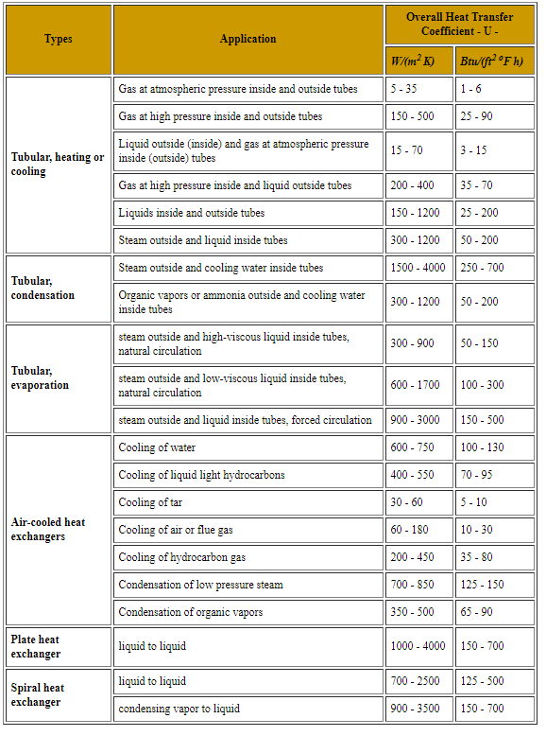
Table-1: Calculation of required heat transfer rate (CW side)
Q=m.Cp.(T2-T1)
where,
Q= | heat transfer rate | Gcal/h | 18.48296
m= | mass flow rate | kg/hr | 1852000
Cp= | Specific heat of substance | j/kg.degC | 0.998
T2-T1= | Change in Temp | degC | 10

Table-2 Calculation of Log mean Temp Difference, LMTD, ΔTm for obtaining surface Area
ΔTm = | [(T1 – t2) – (T2 – t1)]/ln{(T1 – t2)/(T2 – t1)}
where,
Q = | Heat transfer rate (kJ/h) (Btu/h)
T1 = | Inlet hot fluid temp. | degC | 121
t2 = | Outlet cold fluid temp | degC | 45
T2 = | Outlet hot fluid temp | degC | 43
t1 = | Inlet cold fluid temp | degC | 35
Tm | Ave shell side temp | degC | 82
ΔT1= | (T1 – t2) | degC | 76
ΔT2= | (T2 – t1) | degC | 8

Numerator | [(T1 – t2) – (T2 – t1)] | [(35-43)-(45-121)] | 68
Denominator | ln{(T1 – t2)/(T2 – t1)} | ln[(35-43)/(45-121)] | 2.2512917986

ΔTm = |  |  | 30.204880612

Fouling factor vapour side |  | h.m2.K/Kcal | 0.0002
Fouling factor liquid side |  | h.m2.K/Kcal | 0.0004

Table-3: Calculation of Tube side heat transfer co-efficient
Tubular exchanger parameters
 |  |  |  | 1st pass | 2nd pass
No of tubes |  | nos | N | 1387 | 1388
OD of tube |  | mm | Do | 19.05
ID of tube |  | mm | Di | 14.83
X-sec area of ID |  | mm2 |  | 172.6441865
 |  | m2 |  | 0.0001726441865
 |  | shell side |  | tube side
 |  | in | out | in | out
Flow | Kg/hr | 59891 | 1774+60 | 1852000 | 1852000
 | m3/hr |  |  | 1852 | 1852
 | m3/s |  |  | 0.51 | 0.51
Flow velocity,u
 | m/s |  |  | 2.1483748601
Sp heat, Cp | kcal/kg0C |  |  | 0.997 | 0.997
 | j/kg0C |  |  | 4171.448 | 4171.448
conduct, kfb | kcal/h.m.oC |  |  | 0.541 | 0.541
 | w/m.oC |  |  | 0.629183 | 0.629183
Effective Length of tube |  |  | L | 12200 | mm
Renold's no (tube side) |  | Di*u*ρ/μ | Ret= | 47850.89475
 |  | Fluid Velocity | u (m/s) | 2.1483748601
 |  | density at ave temp | ρ (kg/m3) | 992
 |  | viscosity at ave temp | μ (CP) | 0.6605
 |  | viscosity at ave temp | μ (kg/m.s) | 0.0006605
 |  | viscosity at ave temp | μ (mPa/m.s) | 0.6605
 |  | sp heat | Cp (j/kgoC) | 4171.448
 |  | Conductivity | kfb (w/m.oC) | 0.629183
Prandtl No (tube side) |  | Cp*μ/kfb | Prt= | 4.3790779535
Nut=(f/2)*Ret*Prt/[1.07+12.7(f/2)^.5*(Prt^2/3-1)] where f=(1.58lnRet-3.28)^-2
 |  | f= |  | 0.0052924617889
 |  | f/2 |  | 0.0026462308945
 |  | Nut |  | 120.73467303
Check of applicability of Equation [ Re>2100 and μ<2]
 |  | Re | > | 2100
 |  | μ | < | 2
 |  | Both satisfies | therefore formula can be applied

Nusselt no (tube side) |  |  | Nu= | 120.73467303

Calculating hi with this value of Nu
 |  | hi=Nu*kfb/Di | hi= | 5122.3333633 | W/m2.degC
Heat transfer rate |  | Q=mCp(T2-T1)
ΔTm= | degK

Surface Area, A= |  | Q/(U*ΔTm)
 |  |  |  | CS | SS
Q= | Gcal/h |  |  | 18 | 27.72444
Q= | Kcal/h |  |  | 18000000 | 27724440
ΔTm= | degK |  |  | 30.204880612 | 30.204880612
U= | W/m2*K |  |  | 359 | 680
U= | Kcal/m2*h*K |  |  | 308.74 | 584.8
Uf | Kcal/m2*h*K |  |  | 260.48644836 | 432.90299657
A= | m2 |  |  | 2287.7588671 | 2120.2890339

 |  |  |  |  |  |  |  |  |  | 15.75
 |  |  |  |  |  | Ln (Do/Di)/2pikL | Num | 0.25041494542 | 14.83
 |  |  |  |  |  | CS | Deno |  | 11067181.2
 |  |  |  |  |  |  | ratio |  | 1.3399979391E-06

 |  |  |  |  |  | Ln (Do/Di)/2pikL | Num | 0.1902267363 | 15.75
 |  |  |  |  |  | SS | Deno |  | 1103.2704
 |  |  |  |  |  |  | ratio |  | 0.014275738749
Shell side calculations

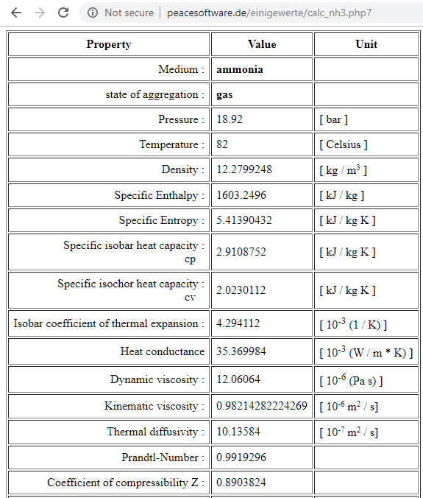
Cross sectional area
Pitch |  | p | mm | 25.4
ID of the shell |  |  | mm | 1448
No of Tubes in single pass |  |  | Nos | 1387
OD of Tube |  | do | mm | 19.05
X-sec Area covered by Tubes in single pass |  |  | mm2 | 395126.42749
X-sec Area covered by ID of shell |  |  | mm2 | 1645912.64
X-sec Area of shell excluding tubes |  |  | mm2 | 1250786.2125
 |  |  | m2 | 1.2507862125
Flow in shell side |  |  | kg/hr | 59891
Density of vapour |  |  | kg/m3 | 12.2799
Volumetric flow in shell side |  |  | m3/hr | 4877.1569801
 |  |  | m3/s | 1.3547658278
Velocity of vapour |  |  | m/s | 1.0831314051

Equivalent Diameter, De

De= | 4*Free flow area
 | wetted preimeter

 | 4*(p^2*3^.5/4-3.14*do^2/8) |  | mm | 18.31118896
 | 3.14*do/2

Bundle cross flow area, As |  |  | Ds (mm)= | 1448
 |  |  | P (mm)= | 25.4
As (mm2)= | C*B*Ds/P | 157470 | C (mm)= | 6.35
 |  |  | B (mm)= | 435
where | C=P-do
 | B=baffle spacing

Shell side Reynold's Number, Res

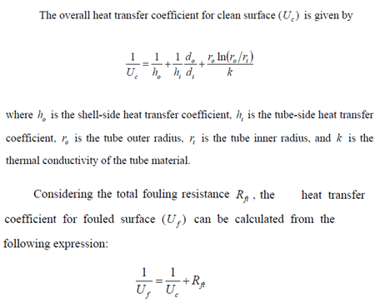
Res= | (ms/As)*(De/μs)
where | ms=flow rate shell side |  | kg/s | 16.636388889
 | As=bundle cross flow area |  | m2 | 0.15747
 | De=Equivalent dia of shell side |  | m | 0.01831118896
 | μs=viscosity of shell side fluid |  | kg/m.s | 1.21E-05

Res= |  |  |  | 160401.13103

Prandtl No, Pr |  | Cp*μ/kfb

where | Cp= sp heat |  | J/kg.K | 2.91E+03
 | c=viscosity at mean temp |  | kg/m.s | 1.21E-05
 | kfb=conductivity at mean temp |  | W/m*K | 3.54E-02

 | Pr= |  |  | 9.93E-01

Calculation of film heat transfer coeff in shell side, ho

 | ho= | 0.36*ks*Res^.55*Pr^1/3/(De)

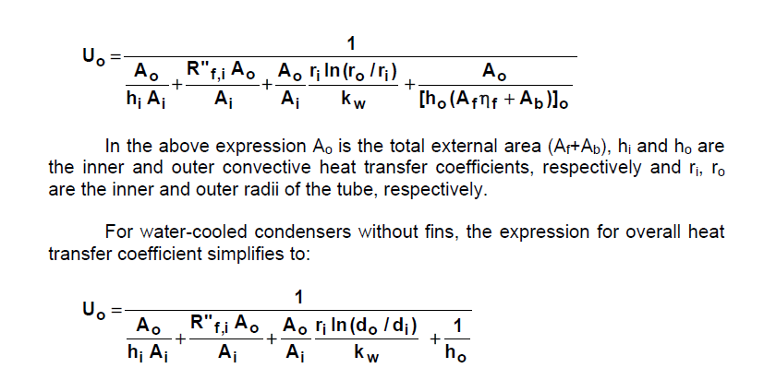
 | The equation holds good if
 |  | 2100>Res>1*10^6 | 160401.13103 | Satisfies

 | ho= | 5.06E+02 | W/m2.degC

Calculation of overall heat transfer

Film HT coeff | hi= | 5122.3333633 | W/m2.degC | 0.0001952235298
 | (Ao/Ai)*hi= |  |  | 0.00025077601097
Film HT coeff | ho= | 5.06E+02 | W/m2.degC | 0.001976948224
 | (Ao/Ai)*ho= |  |  | 0.0025395053046
Resist.of wall | (Ao/Ai)*ro*Ln (ro/ri)/k | 5.5469822213E-05 | K/W | 5.5469822213E-05
Fouling resist shell side, Rfi= |  | 0.0004 | h.m2.K/kcal | 0.00034423407917
 | (Ao/Ai)*Rfi= | 0.00034423407917 | m2.K/W | 0.00044218875309

Fouling resist tube side, Ro= |  | 0.0002 | h.m2.K/kcal
 | Ro= | 0.00017211703959 | m2.K/W | 0.00017211703959
 |  |  |  | 0.0032879398909
Resistance | 1/Uc= | 0.000000060 |  | 304.14181316
Fouled resistance |  | 0.0005
 | Uc | 1936.44 | W/m2.K

Surface Area, A= |  | Q/(U*ΔTm)
 |  |  |  | CS | SS
Q= | Gcal/h |  |  | 18 | 27.72444
Q= | Kcal/h |  |  | 18000000 | 27724440
ΔTm= | degK |  |  | 30.204880612 | 30.204880612
U= | W/m2*K |  |  | 359 | 680
U= | Kcal/m2*h*K |  |  | 308.74 | 584.8
Uf | Kcal/m2*h*K |  |  | 260.48644836 | 432.90299657
A= | m2 |  |  | 2287.7588671 | 2120.2890339

